Sheet1
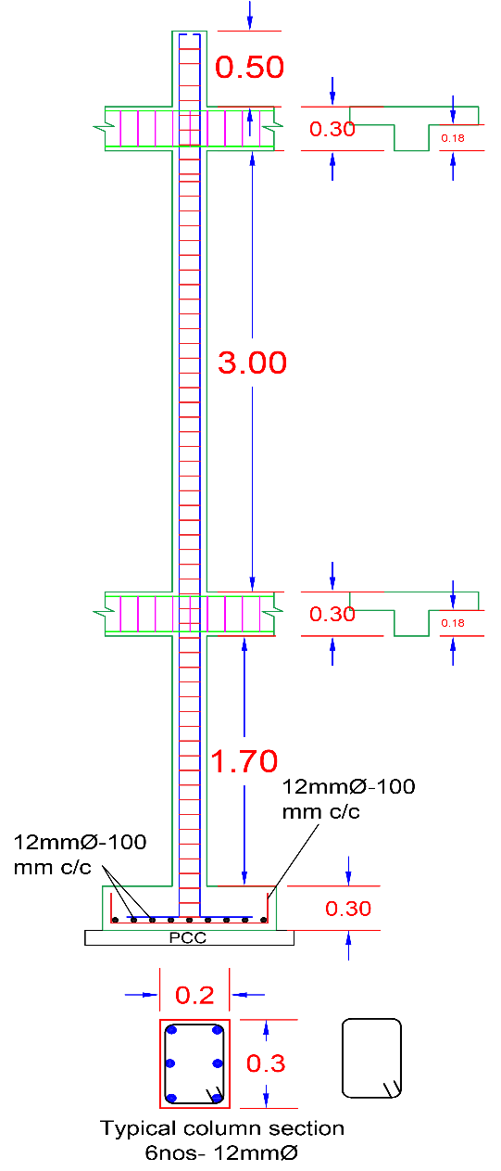
Column BBS
Description | value | Description | Value
UG Pedestal Depth | 1700 | Cutting Length Of One Bar | 6336
Footing Depth | 300 | Weight Of One Bar | 5.632
Plinth Beam Depth | 300 | Steel Required for 1 Column | 38.016
Floor Beam Depth | 300 | Steel Weight for 1 Column | 33.792
No of Floor Beam | 1
Floor Height | 3000
Parapet Wall Height | 500
Footing Development Length | 300
Dia Of Bar | 12
Cover | 40
Footing Main Bar | 12
Footing Distribution Bar | 12
No of Bar in Column | 6

