Sheet1
BBS Of Rectangular Footing
Footing Size |  |  |  |  |  |  |  | Cutting Length |  | Numbers Of Bars
X Axis Length | Y Axis Width | H Height | 90° L | Dia Of Bar | 90° Band | Cover | Spacing | X Axis Length | Y Axis Width | X Axis Nos | Y Axis Nos
1000 | 1200 | 300 | 200 | 12 | 2 | 50 | 100 | 1252 | 1452 | 12 | 10
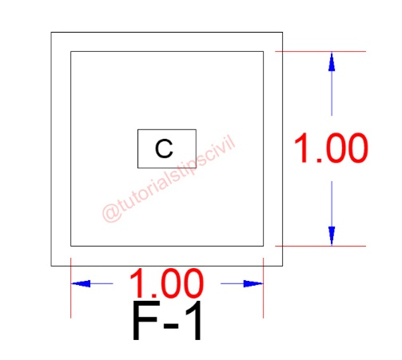
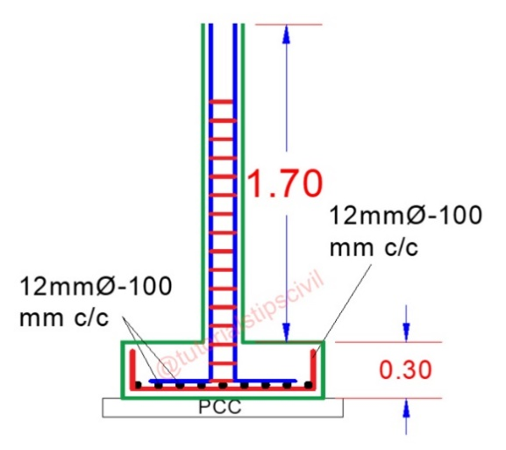

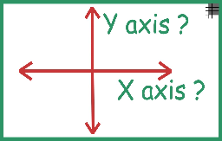
1.20

 |  |  |  |  |  |  |  |  |  |  |  | 1252

Sheet1 (3)
BBS Of Rectangular Footing
Footing Size |  |  |  |  |  |  |  | Cutting Length |  | Numbers Of Bars
X Axis Length | Y Axis Width | H Height | 90° L | Dia Of Bar | 90° Band | Cover | Spacing | X Axis Length | Y Axis Width | X Axis Length | Y Axis Width
1500 | 2000 | 300 | 220 | 12 | 2 | 40 | 150 | 1812 | 2312 | 14 | 10


 |  |  |  |  |  |  |  |  |  |  |  | 1252

